Rape
Sum of Atrocities-Rape(2001-22)
Row Labels | Sum of Rape
ANDHRA PRADESH | 32825
ASSAM | 41668 | 0
BIHAR | 31639
CHHATTISGARH | 30554
MADHYA PRADESH | 94042
MAHARASHTRA | 51885
ODISHA | 31944
RAJASTHAN | 51092
UTTAR PRADESH | 54842
WEST BENGAL | 48988

District wise severity
District wise Severity in Atrocities

Count of DISTRICT | Column Labels
Row Labels | High | Extreme | Moderate
ANDHRA PRADESH | 6 | 379 | 41
BIHAR | 35 | 533 | 65
GUJARAT | 31 | 384 | 47
KARNATAKA | 69 | 339 | 64
MADHYA PRADESH | 5 | 696 | 39
MAHARASHTRA | 22 | 583 | 41
ODISHA | 40 | 429 | 36
RAJASTHAN | 9 | 510 | 23
TAMIL NADU | 54 | 454 | 45
UTTAR PRADESH | 63 | 934 | 36

Kidnapping
Year Wise Kidnapping and Abduction Analysis
Row Labels | Sum of Kidnapping and Abduction
ANDHRA PRADESH | 35096
ASSAM | 65540
BIHAR | 67276
DELHI | 35217
GUJARAT | 36004
MADHYA PRADESH | 43568
MAHARASHTRA | 39665
RAJASTHAN | 72865
UTTAR PRADESH | 150793
WEST BENGAL | 67754
Grand Total | 613778

total crimes
Weighted total atrocities-(2001-14 and 2022)

Row Labels | Sum of Total Crimes
UTTAR PRADESH | 579280
ANDHRA PRADESH | 564996
WEST BENGAL | 519700
RAJASTHAN | 459025
MAHARASHTRA | 414566
MADHYA PRADESH | 398949
ASSAM | 229731
KERALA | 215941
GUJARAT | 212925
ODISHA | 192311

Assault
Row Labels | Sum of Assault on women with intent to outrage her modesty | Count of Year
ANDHRA PRADESH | 132836 | 426
CHHATTISGARH | 48418 | 325
KARNATAKA | 65750 | 472
KERALA | 85378 | 277
MADHYA PRADESH | 201042 | 740
MAHARASHTRA | 126216 | 646
ODISHA | 87541 | 505
RAJASTHAN | 91870 | 542
UTTAR PRADESH | 101760 | 1033
WEST BENGAL | 69385 | 371

Assault on Women through the years 2001-2022

Cruelty dowry
 | Column Labels
 | Sum of Cruelty by Husband or his Relatives | Sum of Dowry Deaths | Total Sum of Cruelty by Husband or his Relatives | Total Sum of Dowry Deaths
Row Labels | 2008 | 2008
ANDHRA PRADESH | 20612 | 1112 | 20612 | 1112
ASSAM | 6956 | 206 | 6956 | 206
GUJARAT | 12188 | 54 | 12188 | 54
KARNATAKA | 5276 | 518 | 5276 | 518
KERALA | 8276 | 62 | 8276 | 62
MADHYA PRADESH | 6370 | 1610 | 6370 | 1610
MAHARASHTRA | 15658 | 780 | 15658 | 780
RAJASTHAN | 16226 | 878 | 16226 | 878
UTTAR PRADESH | 16624 | 4474 | 16624 | 4474
WEST BENGAL | 27326 | 902 | 27326 | 902
Grand Total | 135512 | 10596 | 135512 | 10596

Atrocities-Cruelty by husband/relatives and Dowry Deaths(Depicting the dire situation)

Assault on Women
Assault on Women over the States
Year | 2007

Row Labels | Sum of Assault on women with intent to outrage her modesty
ANDHRA PRADESH | 8812
CHHATTISGARH | 3098
KARNATAKA | 3656
KERALA | 5248
MADHYA PRADESH | 13544
MAHARASHTRA | 6612
ODISHA | 5550
RAJASTHAN | 4954
UTTAR PRADESH | 5044
WEST BENGAL | 4562
Grand Total | 61080

Cruelty Dowry Deaths
Year | 2007
Atrocities-Cruelty by husband/relatives and Dowry Deaths(Depicting the dire situation)
Row Labels | Sum of Dowry Deaths | Sum of Cruelty by Husband or his Relatives
ANDHRA PRADESH | 1226 | 22670
BIHAR | 2344 | 3270
HARYANA | 538 | 4824
JHARKHAND | 606 | 1602
MADHYA PRADESH | 1484 | 6588
MAHARASHTRA | 872 | 14712
ODISHA | 922 | 1456
RAJASTHAN | 878 | 16340
UTTAR PRADESH | 4152 | 15300
WEST BENGAL | 902 | 19800
Grand Total | 13924 | 106562

Total Crime
Year | 2007
Total Crime against Women over the States
Row Labels | Sum of Total Crimes
ANDHRA PRADESH | 42468
ASSAM | 10740
GUJARAT | 15800
KERALA | 14178
MADHYA PRADESH | 24578
MAHARASHTRA | 26208
RAJASTHAN | 25616
TAMIL NADU | 11392
UTTAR PRADESH | 36986
WEST BENGAL | 28652
Grand Total | 236618

Kidnapping & Abduction
Year | 2007
Kidnapping and Abduction
Row Labels | Sum of Kidnapping and Abduction
ANDHRA PRADESH | 3128
ASSAM | 2942
BIHAR | 2520
DELHI | 2334
GUJARAT | 2178
MAHARASHTRA | 1934
RAJASTHAN | 3388
TAMIL NADU | 2194
UTTAR PRADESH | 6726
WEST BENGAL | 3180
Grand Total | 30524

High focus
Year | 2007

District wise Severity in Atrocities
 | Extreme | High | Moderate
ASSAM | 27 | 1 | 3
BIHAR | 38 | 3 | 4
GUJARAT | 25 | 4 | 2
KARNATAKA | 22 | 7 | 3
MADHYA PRADESH | 49 |  | 3
MAHARASHTRA | 41 | 2 | 3
ODISHA | 30 | 3 | 2
RAJASTHAN | 37 | 1 | 1
TAMIL NADU | 32 | 4 | 2
UTTAR PRADESH | 65 | 5 | 2
Count of DISTRICT | Column Labels
Row Labels | Extreme | High | Moderate | Grand Total
ASSAM | 27 | 1 | 3 | 31
BIHAR | 38 | 3 | 4 | 45
GUJARAT | 25 | 4 | 2 | 31
KARNATAKA | 22 | 7 | 3 | 32
MADHYA PRADESH | 49 |  | 3 | 52
MAHARASHTRA | 41 | 2 | 3 | 46
ODISHA | 30 | 3 | 2 | 35
RAJASTHAN | 37 | 1 | 1 | 39
TAMIL NADU | 32 | 4 | 2 | 38
UTTAR PRADESH | 65 | 5 | 2 | 72
Grand Total | 366 | 30 | 25 | 421

Atrocities Rape
Severe Atrocity over the States
Year | 2007

Row Labels | Sum of Rape
ANDHRA PRADESH | 2140
ASSAM | 2874
BIHAR | 3110
CHHATTISGARH | 1964
MADHYA PRADESH | 6020
MAHARASHTRA | 2902
ODISHA | 1878
RAJASTHAN | 2476
UTTAR PRADESH | 3296
WEST BENGAL | 4212
Grand Total | 30872

Sheet9
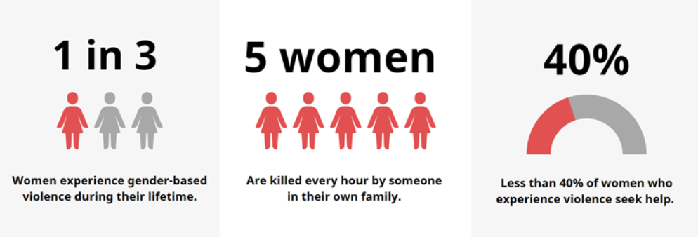
Crime Against Women over the Years Detailed Analysis


Atrocities-Cruelty by husband/relatives and Dowry Deaths(Depicting the dire situation)
 | Sum of Dowry Deaths | Sum of Cruelty by Husband or his Relatives
ANDHRA PRADESH | 1226 | 22670
BIHAR | 2344 | 3270
HARYANA | 538 | 4824
JHARKHAND | 606 | 1602
MADHYA PRADESH | 1484 | 6588
MAHARASHTRA | 872 | 14712
ODISHA | 922 | 1456
RAJASTHAN | 878 | 16340
UTTAR PRADESH | 4152 | 15300
WEST BENGAL | 902 | 19800
Assault on Women through the years
 | Sum of Assault on women with intent to outrage her modesty | Count of Year
ANDHRA PRADESH | 132836 | 426
CHHATTISGARH | 48418 | 325
KARNATAKA | 65750 | 472
KERALA | 85378 | 277
MADHYA PRADESH | 201042 | 740
MAHARASHTRA | 126216 | 646
ODISHA | 87541 | 505
RAJASTHAN | 91870 | 542
UTTAR PRADESH | 101760 | 1033
WEST BENGAL | 69385 | 371

Total Crime against Women over the States
 | Total
ANDHRA PRADESH | 42468
ASSAM | 10740
GUJARAT | 15800
KERALA | 14178
MADHYA PRADESH | 24578
MAHARASHTRA | 26208
RAJASTHAN | 25616
TAMIL NADU | 11392
UTTAR PRADESH | 36986
WEST BENGAL | 28652
Kidnapping and Abduction
 | Total
ANDHRA PRADESH | 3128
ASSAM | 2942
BIHAR | 2520
DELHI | 2334
GUJARAT | 2178
MAHARASHTRA | 1934
RAJASTHAN | 3388
TAMIL NADU | 2194
UTTAR PRADESH | 6726
WEST BENGAL | 3180

State wise Severity in Atrocities
 | Extreme | High | Moderate
ASSAM | 27 | 1 | 3
BIHAR | 38 | 3 | 4
GUJARAT | 25 | 4 | 2
KARNATAKA | 22 | 7 | 3
MADHYA PRADESH | 49 |  | 3
MAHARASHTRA | 41 | 2 | 3
ODISHA | 30 | 3 | 2
RAJASTHAN | 37 | 1 | 1
TAMIL NADU | 32 | 4 | 2
UTTAR PRADESH | 65 | 5 | 2
Severe Atrocity over the States
 | Total
ANDHRA PRADESH | 2140
ASSAM | 2874
BIHAR | 3110
CHHATTISGARH | 1964
MADHYA PRADESH | 6020
MAHARASHTRA | 2902
ODISHA | 1878
RAJASTHAN | 2476
UTTAR PRADESH | 3296
WEST BENGAL | 4212

